Additional Info
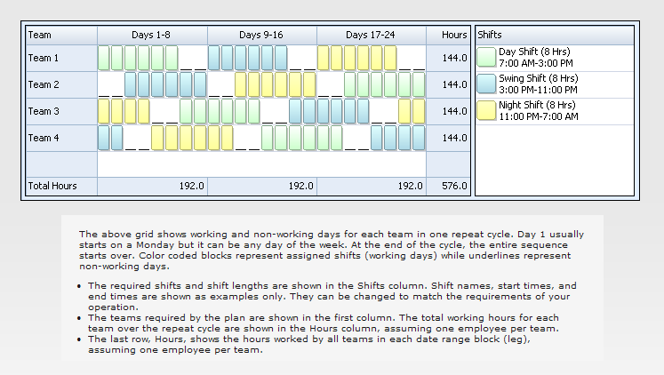
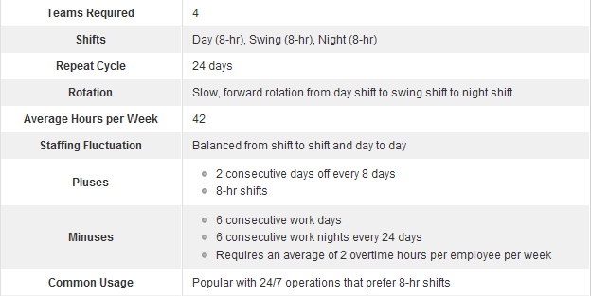
This is a simple employee scheduling template for the 6 On 2 Off rotating shift schedule. Work hours and labor costs are automatically computed based on the prescribed shift patterns, the number of employees on each team, and labor rates.
The 6 On 2 off rotating shift schedule is a relatively slow rotating schedule that uses 4 teams and three 8-hr shifts to provide 24/7 coverage. Each team rotates through the following sequence every 24 days: 6 day shifts, 2 days off, 6 swing shifts, 2 days off, 6 night shifts, 2 days off.

